C3LPG
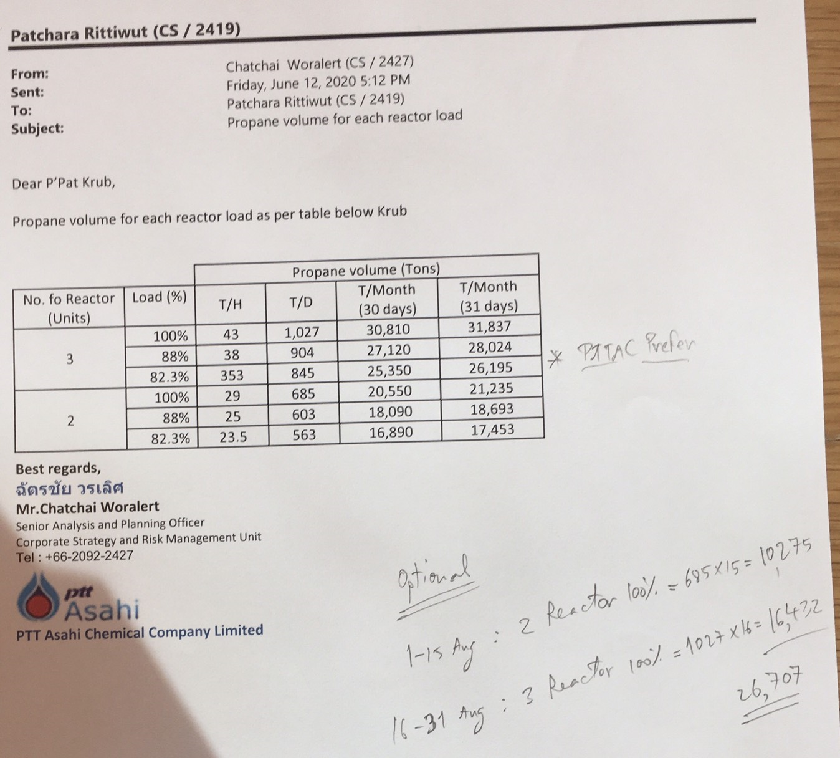
 | จำนวนวัน |  |  |  |  |  |  |  |  |  |  |  |  |  | 30 | 31 | 31 | 30 | 31 | 30 | 31 | 31 | 28 | 31 | 30 | 31 | 30 | 31 | 31 | 30 | 31 | 30 | 31 | 31 | 28 | 31
Balance C3/LPG |  |  |  | 2019-08-01 | 2019-08-21 |  |  |  | 32 | 17 | 36 | 34 | 19 | 30 | 14 | 18 | 15 | 27 | 14 | 22 | 18 | 24 | 29 | 24 | 23 | 25 | 17 | 19 | 19 | 15 | 4 | 0 | (2) | (3) | (3) | 21
Supply Source |  | May-19 | Jun-19 | Jul-19 | Aug-19 | Sep-19 | Oct-19 | Nov-19 | Dec-19 | Jan-20 | Feb-20 | Mar-20 | Apr-20 | May-20 | Jun-20 | Jul-20 | Aug-20 | Sep-20 | Oct-20 | Nov-20 | Dec-20 | Jan-21 | Feb-21 | Mar-21 | Apr-21 | May-21 | Jun-21 | Jul-21 | Aug-21 | Sep-21 | Oct-21 | Nov-21 | Dec-21 | Jan-22 | Feb-22 | Mar-22
GSP RY |  |  |  |  |  |  |  |  |  |  |  |  |  |  |  |  |  |  |  |  |  |  |  |  |  |  |  |  |  |  |  |  |  |  |  |  |  | 25% | 33% | 44% | 52% | 46% | 40% | 67%
C3/LPG Tank capacity (47,475.6 TON) | TON | 49,624.8 | 49,624.8 | 49,624.8 | 46,018.0 | 49,624.8 | 45,790.8 | 45,791.0 | 49,624.8 | 49,624.8 | 49,624.8 | 49,624.8 | 49,624.8 | 45,790.8 | 45,790.8 | 45,790.8 | 45,790.8 | 45,790.8 | 46,018.0 | 46,018.0 | 49,624.8 | 49,624.8 | 45,790.8 | 43,641.6 | 43,641.6 | 43,641.6 | 43,641.6 | 47,475.6 | 47,475.6 | 47,475.6 | 43,641.6 | 43,641.6 | 47,475.6 | 47,475.6 | 47,475.6 | 47,475.6 |  | 40% | 45% | 54% | 55% | 79% | 53% | 51%
C3/LPG End Inventory | TON | 11,097 | 22,009 | 16,060 | 18,031 | 10,997 | 27,311 | 26,098 | 31,888 | 16,828 | 36,021 | 33,684 | 18,636 | 29,543 | 14,459 | 18,008 | 15,125 | 26,697 | 14,437 | 22,421 | 18,055 | 24,402 | 28,878 | 23,879 | 22,714 | 24,683 | 17,020 | 18,970 | 19,099 | 15,002 | 4,065 | 295 | -2,126 | -3,177 | -2,556 | 20,941 |  | 21% | 30% | 41% | 52% | 40% | 36% | 71%
% C3/LPG Inventory | % | 22% | 44% | 32% | 39% | 22% | 60% | 57% | 64% | 34% | 73% | 68% | 38% | 65% | 32% | 39% | 33% | 58% | 31% | 49% | 36% | 49% | 63% | 55% | 52% | 57% | 39% | 40% | 40% | 32% | 9% | 1% | -4% | -7% | -5% | 44% | SUM Y2021
Import จ่ายแทน GSP | KT |  |  |  | 8.6 | 2.46 | 33 | 12 | 14.1 |  | 3.40 |  |  | 2 | 3.6 | 23 | 27 | 13 | 7 | 32 | 21 | 6 | 39 | 21 | 31 | 34 | 34 | 99 | 14 | 38 | 37 | - | 28 | 23 | 39 | 39 | 381
รอจำหน่าย | KT |  |  |  |  |  |  |  | -4 |  | -6 | 5.85 |  |  |  |  |  | (5)
ดึง Unknow untax |  |  | 2.00 |  |  |  |  |  |  |  |  |  |  |  | 1.6 | 1 |  | 1
ดึง Import จ่ายเพิ่ม |  |  |  |  | 3.12
Balance C3 |  |  |  | 2019-08-01 | 2019-08-21 |  |  |  | - | - | - | - | - | 9
Supply Source |  | May-19 | Jun-19 | Jul-19 | Aug-19 | Sep-19 | Oct-19 | Nov-19 | Dec-19 | Jan-20 | Feb-20 | Mar-20 | Apr-20 | May-20 | Jun-20 | Jul-20 | Aug-20 | Sep-20 | Oct-20 | Nov-20 | Dec-20 | Jan-21 | Feb-21 | Mar-21 | Apr-21 | May-21 | Jun-21 | Jul-21 | Aug-21 | Sep-21 | Oct-21 | Nov-21 | Dec-21 | Jan-22 | Feb-22 | Mar-22
GSP RY
C3 Tank capacity (10,820.4 TON) | TON |  |  |  |  |  |  |  |  |  |  |  |  | 10,820.0 | 10,820.0 | 10,820.0 | 10,820.0 | 10,820.0 | 7,213.6 | 7,213.6 | 10,820.0 | 10,820.4 | 10,820.4 | 10,820.4 | 10,820.4 | 10,820.4 | 10,820.4 | 10,820.4 | 10,820.4 | 10,820.4 | 10,820.4 | 10,820.4 | 10,820.4 | 10,820.4 | 10,820.4 | 10,820.4
C3 End Inventory | TON |  |  |  |  |  |  |  |  |  |  |  |  | 8,604 | 4,281 | 4,604 | 5,098 | 8,487 | 4,215 | 5,553 | 3,405 | 8,674 | 4,479 | 6,441 | 7,142 | 9,696 | 5,861 | 6,694 | 9,209 | 6,956 | 8,281 | 11,337 | 8,054 | 11,431 | 11,001 | 14,377
Cross to LPG (normal cross C3 to aerosal 1,000 Ton/เดือน) | TON |  |  |  |  |  |  |  |  |  |  |  |  |  | 4,303 | 2,500 | 8,500 | 1,000 | 8,000 | 5,005 | 3,000 | 7,000 | 6,000 | 1,500 | 1,000 | 2,000 | 1,000 | 1,000 | 14,000 | 1,000 | 1,000 | 27,000 | 1,000 | 1,000 | 1,000 | 1,000 | 63,500
...
 |  |  |  |  |  |  |  |  |  |  |  |  |  |  |  |  |  |  |  |  |  |  |  |  |  |  |  |  |  |  |  |  |  |  | -832% | -897%
...
 |  |  |  |  |  |  |  |  |  |  |  |  |  |  |  |  |  |  |  |  |  |  |  |  |  |  |  |  |  |  |  |  |  |  | Feb-22 | Mar-22
...
 |  |  |  |  |  |  |  |  |  |  |  |  |  |  |  |  |  |  |  |  |  |  |  |  |  |  |  |  |  |  |  |  |  |  | 25,153.2 | 25,153.2
 |  |  |  |  |  |  |  |  |  |  |  |  |  |  |  |  |  |  |  |  |  |  |  |  |  |  |  |  |  |  |  |  |  |  | 83,260 | 110,819
 |  |  |  |  |  |  |  |  |  |  |  |  |  |  |  |  |  |  |  |  |  |  |  |  |  |  |  |  |  |  |  |  |  |  | 331% | 441%
...
%C3/LPG GSP RY Inventoy
Aug-19 |  | 39%
Sep-19 |  | 22%
Oct-19 |  | 60%
Nov-19 |  | 57%
Dec-19 |  | 64%
Jan-20 |  | 34%
Feb-20 |  | 73%
Mar-20 |  | 68%
Apr-20 |  | 38%
May-20 |  | 65%
Jun-20 |  | 32%
Jul-20 |  | 39%
Aug-20 |  | 33%
Sep-20 |  | 58%
Oct-20 |  | 31%
 |  |  |  |  |  |  |  |  |  |  |  |  |  |  |  |  |  |  |  |  |  |  |  |  |  |  |  |  |  |  |  |  |  |  | Feb-22 | Mar-22
 |  |  |  |  |  |  |  |  |  |  |  |  |  |  |  |  |  |  |  |  |  |  |  |  |  |  |  |  |  |  |  |  |  |  | 84 | 84
 |  |  |  |  |  |  |  |  |  |  |  |  |  |  |  |  |  |  |  |  |  |  |  |  |  |  |  |  |  |  |  |  |  |  | 178 | 178
 |  |  |  |  |  |  |  |  |  |  |  |  |  |  |  |  |  |  |  |  |  |  |  |  |  |  |  |  |  |  |  |  |  |  | 38 | 38
 |  |  |  |  |  |  |  |  |  |  |  |  |  |  |  |  |  |  |  |  |  |  |  |  |  |  |  |  |  |  |  |  |  |  | 141 | 141
 |  |  |  |  |  |  |  |  |  |  |  |  |  |  |  |  |  |  |  |  |  |  |  |  |  |  |  |  |  |  |  |  |  |  | 263 | 263
 |  |  |  |  |  |  |  |  |  |  |  |  |  |  |  |  |  |  |  |  |  |  |  |  |  |  |  |  |  |  |  |  |  |  | - | -
 |  |  |  |  |  |  |  |  |  |  |  |  |  |  |  |  |  |  |  |  |  |  |  |  |  |  |  |  |  |  |  |  |  |  | - | -
GSP Balance (KT)
 | C3/LPG GSP RY | GC | SPRC | PTTEP/LKB | GSP KHM | ดึง import | Demand | C3/LPG Inventory
Dec-19 | 309 | 25 | - | 6.1 | 13 | 14.1 | 302 | 64%
Jan-20 | 274 | 20 | 4.0 | 6.2 | 17 |  | 298 | 34%
Feb-20 | 269 | 18 | 6.4 | 5.7 | 18 | 3.4 | 287 | 73%
Mar-20 | 300 | 7 | 6.1 | 6.0 | 15 |  | 288 | 68%
Apr-20 | 249 | 2 | 6.5 | 5.9 | 17 |  | 294 | 38%
May-20 | 225 | 6 | 4.3 | 4.6 | 15 | 2.0 | 244 | 65%
Jun-20 | 239 | - | 3.0 | 5.7 | 15 | 3.6 | 283 | 32%
Jul-20 | 251 | 4 | 3.0 | 5.7 | 16 | 23.0 | 302 | 39%
Aug-20 | 270 | 1 | 3.5 | 5.7 | 13 | 27.0 | 324 | 33%
Sep-20 | 276 | - | 3.0 | 5.4 | 17 | 13.0 | 311 | 58%
Oct-20 | 280 | - | 3.6 | 5.8 | 16 | 7.0 | 325 | 31%
Nov-20 | 256 | 13 | 6.8 | 5.4 | 16 | 32.0 | 323 | 49%
Dec-20 | 268 | 12 | 6.1 | 5.6 | 15 | 20.7 | 337 | 36%
 |  |  | 6.7
 |  |  |  |  |  |  |  |  |  |  |  |  |  |  |  |  |  |  |  |  |  |  |  |  |  |  |  |  |  |  |  |  |  |  | 5.47 | 5.47
 |  |  |  |  |  |  |  |  |  |  |  |  |  |  |  |  |  |  |  |  |  |  |  |  |  |  |  |  |  |  |  |  |  |  | 5.70 | 5.70
 |  |  |  |  |  |  |  |  |  |  |  |  |  |  |  |  |  |  |  |  |  |  |  |  |  |  |  |  |  |  |  |  |  |  | 14.00 | 14.00
 |  |  |  |  |  |  |  |  |  |  |  |  |  |  |  |  |  |  |  |  |  |  |  |  |  |  |  |  |  |  |  |  |  |  | 287.96 | 287.96
 |  |  |  |  |  |  |  |  |  |  |  |  |  |  |  |  |  |  |  |  |  |  |  |  |  |  |  |  |  |  |  |  |  |  | 86.28 | 109.16
 |  |  |  |  |  |  |  |  |  |  |  |  |  |  |  |  |  |  |  |  |  |  |  |  |  |  |  |  |  |  |  |  |  |  | Feb-22 | Mar-22
 |  |  |  |  |  |  |  |  |  |  |  |  |  |  |  |  |  |  |  |  |  |  |  |  |  |  |  |  |  |  |  |  |  |  | 85 | 94 | 1,065
 |  |  |  |  |  |  |  |  |  |  |  |  |  |  |  |  |  |  |  |  |  |  |  |  |  |  |  |  |  |  |  |  |  |  | 178 | 197
 |  |  |  |  |  |  |  |  |  |  |  |  |  |  |  |  |  |  |  |  |  |  |  |  |  |  |  |  |  |  |  |  |  |  | 38 | 42
 |  |  |  |  |  |  |  |  |  |  |  |  |  |  |  |  |  |  |  |  |  |  |  |  |  |  |  |  |  |  |  |  |  |  | 140 | 155
 |  |  |  |  |  |  |  |  |  |  |  |  |  |  |  |  |  |  |  |  |  |  |  |  |  |  |  |  |  |  |  |  |  |  | 263 | 291 | 3,260
 |  |  |  |  |  |  |  |  |  |  |  |  |  |  |  |  |  |  |  |  |  |  |  |  |  |  |  |  |  |  |  |  |  |  | - | -
 |  |  |  |  |  |  |  |  |  |  |  |  |  |  |  |  |  |  |  |  |  |  |  |  |  |  |  |  |  |  |  |  |  |  | - | -
 |  |  |  |  |  |  |  |  |  |  |  |  |  |  |  |  |  |  |  |  |  |  |  |  |  |  |  |  |  |  |  |  |  |  | 5.8 | 5.8
 |  |  |  |  |  |  |  |  |  |  |  |  |  |  |  |  |  |  |  |  |  |  |  |  |  |  |  |  |  |  |  |  |  |  | 5.7 | 5.7
 |  |  |  |  |  |  |  |  |  |  |  |  |  |  |  |  |  |  |  |  |  |  |  |  |  |  |  |  |  |  |  |  |  |  | 14.0 | 15.5
 |  |  |  |  |  |  |  |  |  |  |  |  |  |  |  |  |  |  |  |  |  |  |  |  |  |  |  |  |  |  |  |  |  |  | 288.32 | 317.98
...
 |  |  |  |  |  |  |  |  |  |  |  |  |  |  |  |  |  |  |  |  |  |  |  |  |  |  |  |  |  |  |  |  |  |  | Feb-22 | Mar-22
 |  |  |  |  |  |  |  |  |  |  |  |  |  |  |  |  |  |  |  |  |  |  |  |  |  |  |  |  |  |  |  |  |  |  | 0.42 | 9.51
 |  |  |  |  |  |  |  |  |  |  |  |  |  |  |  |  |  |  |  |  |  |  |  |  |  |  |  |  |  |  |  |  |  |  | (0.42) | 18.65
...
 |  |  |  |  |  |  |  |  |  |  |  |  |  |  |  |  |  |  |  |  |  |  |  |  |  |  |  |  |  |  |  |  |  |  | - | 28.16
 |  |  |  |  |  |  |  |  |  |  |  |  |  |  |  |  |  |  |  |  |  |  |  |  |  |  |  |  |  |  |  |  |  |  | - | -
 |  |  |  |  |  |  |  |  |  |  |  |  |  |  |  |  |  |  |  |  |  |  |  |  |  |  |  |  |  |  |  |  |  |  | 0.36 | 0.36
 |  |  |  |  |  |  |  |  |  |  |  |  |  |  |  |  |  |  |  |  |  |  |  |  |  |  |  |  |  |  |  |  |  |  | - | -
 |  |  |  |  |  |  |  |  |  |  |  |  |  |  |  |  |  |  |  |  |  |  |  |  |  |  |  |  |  |  |  |  |  |  | - | 1.50
 |  |  |  |  |  |  |  |  |  |  |  |  |  |  |  |  |  |  |  |  |  |  |  |  |  |  |  |  |  |  |  |  |  |  | 0.36 | 30.02
 |  |  |  |  |  |  |  |  |  |  |  |  |  |  |  |  |  |  |  |  |  |  |  |  |  |  |  |  |  |  |  |  |  |  | 39.00 | 39.00
 |  |  |  |  |  |  |  |  |  |  |  |  |  |  |  |  |  |  |  |  |  |  |  |  |  |  |  |  |  |  |  |  |  |  | - | -
 |  |  |  |  |  |  |  |  |  |  |  |  |  |  |  |  |  |  |  |  |  |  |  |  |  |  |  |  |  |  |  |  |  |  | - | -
...
 |  |  |  |  |  |  |  |  |  |  |  |  |  |  |  |  |  | 1
 |  |  |  |  |  |  |  |  |  |  |  |  |  |  |  |  |  | 311 | 325 | 323 | 337 | 324 | 325 | 344 | 349 | 345 | 343 | 353 | 335 | 342 | 337 | 312 | 349 | 341 | 327 | 333
 |  |  |  |  |  |  |  |  |  |  |  |  |  |  |  |  |  | 216.19 | 228.25 | 222.56 | 224.22 | 208.94 | 204.37 | 214.97 | 211.15 | 217.26 | 212.79 | 218.12 | 218.95 | 216.06 | 216.48 | 216.27 | 218.02 | 216.82 | 207.76 | 209.26
 |  |  |  |  |  |  |  |  |  |  |  |  |  |  |  |  |  | - | - | - | - | 0.80 | - | - | - | - | - | - | - | - | - | - | - | - | - | -
 |  |  |  |  |  |  |  |  |  |  |  |  |  |  |  |  |  | 0.00 | - | - | (0.00) | - | 0.60 | - | - | - | - | - | - | - | - | - | - | - | - | -
 |  |  |  |  |  |  |  |  |  |  |  |  |  |  |  |  |  | - | - | - | - | - | - | - | - | - | - | - | - | - | - | - | - | - | - | -
 |  |  |  |  |  |  |  |  |  |  |  |  |  |  |  |  |  | - | - | - | - | - | - | - | - | - | - | - | - | - | - | - | - | - | - | -

 |  |  |  |  |  |  |  |  |  |  |  |  |  |  |  |  |  |  | 0.70 | (0.44) | (0.46) | (9.65) | (16.45) | (8.97) | (11.75) | (7.68) | (12.11) | (6.91) | (6.08) | (8.97) | (8.55) | (8.76) | (7.01) | (8.08) | (17.14) | (15.64)

